Sheet1
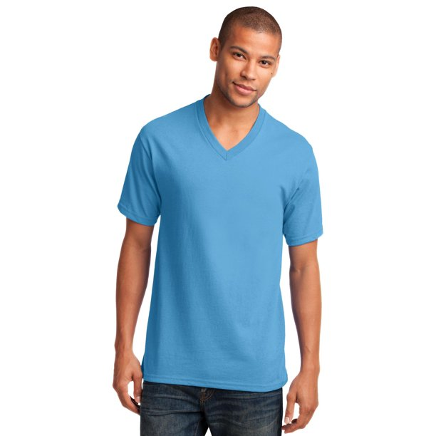
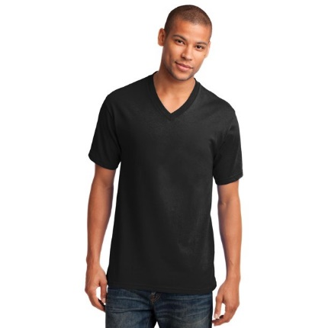
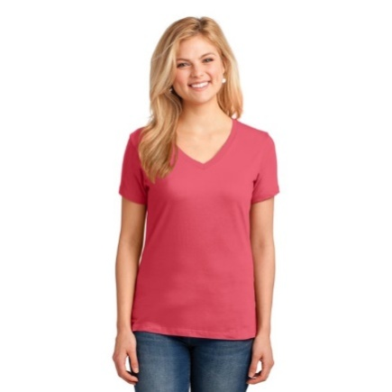
Desc | Unit_Retail | Qty | Ext. Retail | Item Number | UPC
TS SS VNECK CORE TEE | $7.97 | 5,220 | $41,603.40 | 585679820 | 880967099577
TS SS VNECK CORE TEE | $7.97 | 3,072 | $24,483.84 | 585689449 | 880967099584
WN HOODED MASK TEE | $6.92 | 2,304 | $15,943.68 | 585697811 | 19032260060
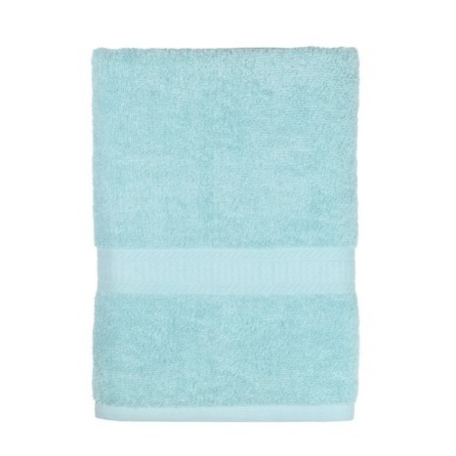
TS SS VNECK CORE TEE | $7.97 | 1,008 | $8,033.76 | 585689455 | 880967099620
TS SS VNECK CORE TEE | $7.97 | 684 | $5,451.48 | 585689453 | 880967099618
W AI ELEVATE | $17.87 | 300 | $5,361.00 | 576923188 | 19360522382
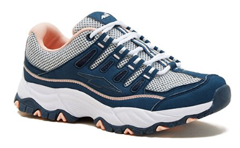
W AI ELEVATE | $17.87 | 288 | $5,146.56 | 576923193 | 19360522385
M IN FORCE | $29.77 | 150 | $4,465.50 | 556483462 | 60538827645
W AI ELEVATE | $17.87 | 240 | $4,288.80 | 576923190 | 19360522383
MS BASIC BATH AQUA TOWEL | $2.74 | 1,296 | $3,551.04 | 557003727 | 66572110392
W AI ELEVATE | $17.87 | 132 | $2,358.84 | 576923192 | 19360522384
GT AW ATH TSTRAP | $10.98 | 204 | $2,239.92 | 578988071 | 60538843505
TS SS VNECK CORE TEE | $7.97 | 36 | $286.92 | 585679812 | 880967099589 |  |  |  |  | TS SS VNECK CORE TEE
NB SCOOP TANK | $3.96 | 48 | $190.08 | 586879847 | 880975754962 |  |  |  |  | 9984 UNITS
WN SS SWING TOP MASK | $5.98 | 24 | $143.52 | 586077830 | 880971984240 | AVIA ELEVATE SNEAKER |  | MS BASIC BATH AQUA TOWEL
GE SS CREW TEE | $3.88 | 12 | $46.56 | 585955736 | 880960990593 |  | 828 UNITS |  | 1296 UNITS
 |  | 15,018 | $123,594.90

